EmissionFactors
Emissions Data
This sheet gives the sources and data points used in the emissions savings benefits analysis.

Auto Idling Emissions Reduction

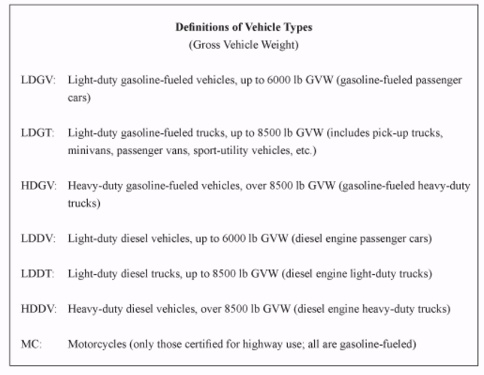
 |  | gas-car | gas-light trucks/SUVs/vans | gas-heavy truck | diesel-car | diesel-light trucks/SUVs/vans | diesel-heavy truck
Pollutant | Units | LDGV | LDGT | HDGV | LDDV | LDDT | HDDV | MC | Weighted Average
VOC | g/hr | 2.683 | 4.043 | 6.495 | 1.373 | 2.72 | 3.455 | 19.153 | 3.0997
THC | g/hr | 3.163 | 4.838 | 7.26 | 1.353 | 2.68 | 3.503 | 21.115 | 3.6037
CO | g/hr | 71.225 | 72.725 | 151.9 | 7.018 | 5.853 | 25.628 | 301.075 | 58.8671
NOx | g/hr | 3.515 | 4.065 | 5.33 | 2.69 | 3.705 | 33.763 | 1.625 | 3.6715
PM2.5 | g/hr
PM10 | g/hr
Share |  | 40% | 40% |  | 10% | 10% |  |  | 100%
Source: "Idling Vehicle Emissions for Passenger Cars, Light-Duty Trucks, and Heavy-Duty Trucks Emission Facts", EPA420-F-08-205, October 2008
Note: Analysis only for light-duty vehicles
Note: Assume PM 10 (diameter 10 micrometer or less); PM 2.5 (diameter < 2.5 micrometer)

PM Per Gallon of Gasoline (Passenger Cars) | PM10 | PM2.5
PM per mile (g) | 0.0044 | 0.0041 |  |  |  |  |  |  |  | Source: "Idling Vehicle Emissions for Passenger Cars, Light-Duty Trucks, and Heavy-Duty Trucks Emission Facts", EPA420-F-08-205, October 2008
Gasoline consumption per mile (gal) | 0.04149 | 0.04149
PM Per Gallon (g) | 0.10605 | 0.098819
Source: "Average Annual Emissions and Fuel Consumption for Gasoline-Fueled Passenger Cars and Light Trucks", EPA420-F-08-024, October 2008
See table: Average Emissions and Fuel Consumption for Passenger Cars

PM Per Gallon of Gasoline (Light Duty Trucks) | PM10 | PM2.5
PM per mile (g) | 0.0049 | 0.0045
Gasoline consumption per mile | 0.0578 | 0.0578
PM Per Gallon (g) | 0.084775 | 0.077855
Source: "Average Annual Emissions and Fuel Consumption for Gasoline-Fueled Passenger Cars and Light Trucks", EPA420-F-08-024, October 2008
See table: Average Emissions and Fuel Consumption for Light-Duty Trucks

Fuel Consumption Efficiency
Vehicle Type | Engine Size (liters) | Idling Fuel Use (GAL/HR WITH NO LOAD)
Compact Sedan | 2 | 0.16
Large Sedan | 4.6 | 0.39
Source: Fact #861 February 23, 2015 Idle Fuel Consumption for Selected Gasoline and Diesel Vehicles
http://energy.gov/eere/vehicles/fact-861-february-23-2015-idle-fuel-consumption-selected-gasoline-and-diesel-vehicles

Particulate Matter
PM 2.5 Per Hour | 0.024292675
PM 10 Per Hour | 0.0262384375

Grams of CO2 per Gallon of Gasoline | 8,887
Gallons per Hour | 0.275
Grams of CO2 per Hour | 2443.925
Source: Greenhouse Gas Emissions from a Typical Passenger Vehicle, EPA
http://nnsa.energy.gov/sites/default/files/nnsa/08-14-multiplefiles/EPA%202011c.pdf

Annual Emission Avoided (tons)
grams per short ton | 907185
grams per metric ton | 1000000

Table VIII-16, "Economic Values Used for Benefits Computations (2010 dollars)"
Value of Emissions Reduced | 2017$ | 2019$ | Unit
Carbon Monoxide (CO) | $- | $- | $/short ton
Volatile Organic Compounds (VOC) | $2,000.00 | $2,065.30 | $/short ton
Nitrogen Oxides (NOx) | $8,300.00 | $8,571.01 | $/short ton
Particulate Matter (PM) | $377,800.00 | $390,135.92 | $/short ton
Sulfur Dioxide (SO2) | $48,900.00 | $50,496.68 | $/short ton
Carbon Dioxide | varies | varies | $/metric ton
Source: Corporate Average Fuel Economy for MY2017-MY2025 Passenger Cars and Light Trucks (August 2012), page 922
http://www.nhtsa.gov/staticfiles/rulemaking/pdf/cafe/FRIA_2017-2025.pdf
Note: The Resource Guide converts these values into 2017 dollars.
Source: Benefit-Cost Analysis (BCA) Guidance for Discretionary Grant Programs, December 2018
https://www.transportation.gov/sites/dot.gov/files/docs/mission/office-policy/transportation-policy/14091/benefit-cost-analysis-guidance-2018.pdf

