One-Point Proctor Report
CITY OF PHOENIX
STREET TRANSPORTATION DEPARTMENT
DESIGN & CONSTRUCTION MANAGEMENT DIVISION
MATERIALS LAB
FIELD ONE-POINT PROCTOR
Project Name: | 0 |  |  |  |  | Project Number: | 0
Plant/Source: |  |  |  |  |  | Material Type:
Contractor: | 0 |  |  |  |  | Inspector: | 0
Lab Name: | 0 | Tech: | 0 |  |  | Date: | 0
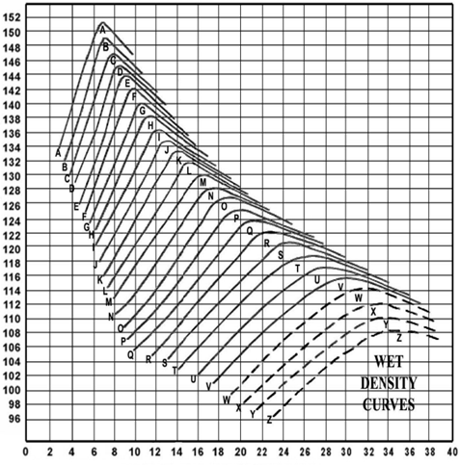
 | 0.0

WET DENSITY DETERMINATION |  |  |  |  |  | ROCK CORRECTION
A) Weight of Mold and Soil: |  |  |  | Lbs |  | L) Total Weight of Sample: |  | LBS
B) Weight of Mold: |  |  |  | Lbs |  | M) Total Weight of Rock: |  | LBS
C) Weight of Compacted Soil (A-B): |  |  |  | Lbs |  | N) Percent Rock (M ÷ L*100): |  | %
D) Volume of Mold: |  |  |  | Ft³ |  | O) Specific Gravity
E) Wet Density (C ÷ D): |  |  |  | Lbs
F) Speedy Moisture Content: |  |  |  | % | Corrected Optimum Moisture = |  | [H x (100 - N)] + N
G) Moisture-Density Chart Letters: |  |  |  | % |  |  | 100
H) Optimum Moisture: |  |  |  | % | Corrected Maximum Density = |  | [(100 - N) x I] + [56.2 x N x O]
I) Maximum Dry Density: |  |  |  | Lbs/Ft³ |  |  | 100
J) Optimum Moisture (Corrected): |  |  |  | %
K) Maximum Dry Density (Corrected): |  |  |  | Lbs/Ft³

